Sheet1
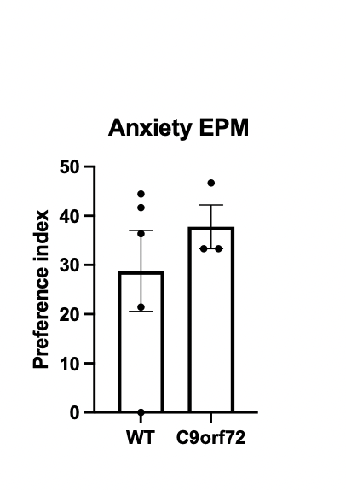
 | file | video time (min) | dist (cm) | speed (cm/s) | no. ClosedTop | ClosedTop_time (S) | no. ClosedBottom | ClosedBottom_time (s) | no. OpenLeft | OpenLeft_time (s) | no. OpenRight | OpenRight_time (s) | NeutralZone | NeutralZone (s)
0 | epm_post_1_c9 | 1.994 | 134.53912 | 1.124533 | 5 | 30.04 | 3 | 10.88 | 5 | 38.2 | 2 | 12.16 | 12 | 27.76
1 | epm_post_5_c9 | 1.994 | 136.341073 | 1.139594 | 5 | 24.72 | 7 | 18.08 | 5 | 29.68 | 1 | 17.96 | 17 | 29.24
2 | epm_post_9_c9 | 1.994 | 141.179647 | 1.180037 | 4 | 43.32 | 2 | 5.96 | 1 | 34.92 | 2 | 1.24 | 8 | 34.24

open arm entries / open arm entries + closed arm entries |  |  |  | total = | 42

 | 5 |  |  | open = | 16
 | 5
 | 1 |  |  | closed = | 26
 | 2
 | 1
 | 2

 | Frequency open arms %
C9 | 11.904761905 | 11.904761905 | 2.380952381 | 4.7619047619 | 2.380952381 | 4.7619047619

avg | 6.3492063492

CORRECTION
 | Open entries (right and left) |  | closed entries | total entries | % open
C9_1 | 7 |  | 8 | 15 | 46.666666667
C9_2 | 6 |  | 12 | 18 | 33.333333333
C9_3 | 3 |  | 6 | 9 | 33.333333333 | # has to be calculated per mouse

 | Open arm frequency %
C9 | 46.666666667 | 33.333333333 | 33.333333333

